Vans BP
Image | Gender | Product | Style | Style Description | QTE | RPP | TOTAL
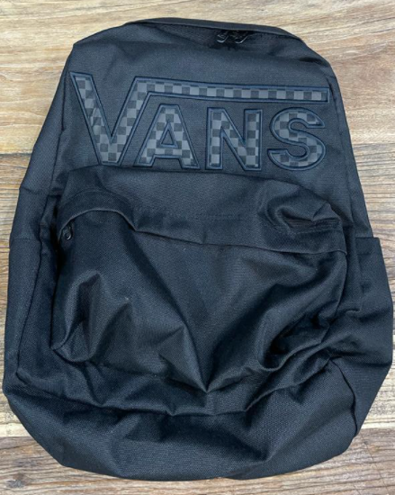 | Men | Backpack | VN0A5KHPBRF1 | MN OLD SKOOL DROP V BACKPACK Black/Reflective | 500 | € 38.00 | € 19,000.00
 | Men | Backpack | VN0A5KHPTDV1 | MN OLD SKOOL DROP V BACKPACK VANS BLACK/WHITE | 500 | € 38.00 | € 19,000.00
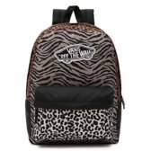 | Women | Backpack | VN0A3UI6Z081 | REALM BACKPACK ANIMAL BLOCK | 120 | € 40.00 | € 4,800.00
 | Men | Backpack | VN0A3UI6ZBS1 | REALM BACKPACK POMEGRANATE | 80 | € 40.00 | 3,200.00 zł
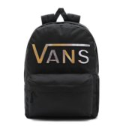 | Women | Backpack | VN0A3UI8BZX1 | REALM FLYING V BACKPACK BLACK TIE DYE | 80 | € 45.00 | € 3,600.00
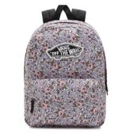 | Women | Backpack | VN0A3UI6YZK1 | WM REALM BACKPACK FIELD FLORAL | 70 | € 40.00 | € 2,800.00
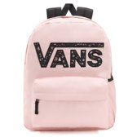 | Women | Backpack | VN0A3UI8ZJY1 | REALM FLYING V BACKPACK POWDER PINK | 70 | € 45.00 | € 3,150.00
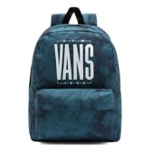 | Men | Backpack | VN0A5KHQZ931 | MN OLD SKOOL IIII BACKPACK BLUE CORAL/TIE DYE | 60 | € 38.00 | € 2,280.00
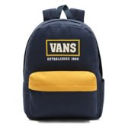 | Men | Backpack | VN0A5KHQNM31 | MN OLD SKOOL IIII BACKPACK DRESS BLUES/GOLDEN GLOW | 60 | € 40.00 | € 2,400.00
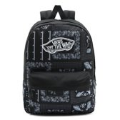 | Women | Backpack | VN0A3UI6CQ81 | WM REALM BACKPACK Bandana | 50 | € 40.00 | € 2,000.00
 | Women | Backpack | VN0A4VH2KVT1 | WM A TURBON BACKPACK BLACK HAWAIIAN | 50 | € 38.00 | € 1,900.00
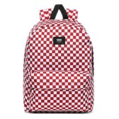 | Men | Backpack | VN0A3I6R9761 | MN OLD SKOOL III BACKPACK Chili Pepper Checkerboard | 40 | € 38.00 | € 1,520.00
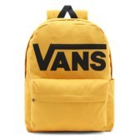 | Men | Backpack | VN0A5KHPLSV1 | OLD SKOOL DROP V BACKPACK GOLDEN GLOW | 30 | € 38.00 | € 1,140.00
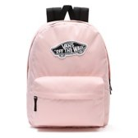 | Women | Backpack | VN0A3UI6ZJY1 | REALM BACKPACK POWDER PINK | 30 | € 38.00 | € 1,140.00
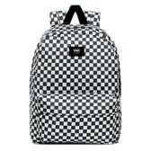 | Men | Backpack | VN0A3I6RHU01 | MN OLD SKOOL III BACKPACK Black/White Check | 20 | € 38.00 | € 760.00
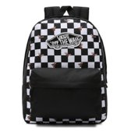 | Women | Backpack | VN0A3UI6YZT1 | REALM BACKPACK BEE CHECKER | 12 | € 40.00 | € 480.00
 | Men | Backpack | VN0A3I6RY281 | MN OLD SKOOL III BACKPACK Black/White | 10 | € 38.00 | € 380.00

